1. Title Page
[Project Name]

Project Name: Instacart Basket Analysis
Date: 22 December 2023
Analyst Name: Saranya Prabhakar

Contents:
Population Flow
Consistency checks
Wrangling steps
Column derivations
Visualizations
Recommendations

Citation : “The Instacart Online Grocery Shopping Dataset 2017”, Accessed from www.instacart.com/datasets/grocery-shopping-2017 via Kaggle on 22 December 2023.

2. Population Flow
Title page

Population flow

Exclusion flag
Condition: max_order <
Obervations to be removed:
Final total count of order_products_all:

Orders_products_combined
Orders_products_merged
Orders_products_all

Total: 32,434,489
Total: 32,404,859
Total: 32,404,859

1.) The grey boxes in the first row of the population flow represent the original data sets as they were when you downloaded them. In the Total fields you need to add the count of the rows when you imported the data set into Jupyter.
2.) The second row of boxes (coloured) represents the data sets after you manipulated them, e.g., removed missing values and duplicates. In the Total fields you need to add the count of the rows after conducting these operations. This offers a visual oveview of how the data flows throughout the data consistency checks.
3.) The third row, where also the arrows are coloured, represents the merges you performed between the datasets. In the Total fields you need to add the count of the rows in the merged datasets, so that you end up with the final dataset (in the red box). Keep in mind the final dataset should be without exclusions (based on the exclusion flag).

3. Consistency checks
 |  |  |  | Title page
Consistency checks

Dataset | Missing values | Missing values treatment | Duplicates
orders | In days_since_prior_order, there were 206,209 missing values. | These values were not removed or addressed, as the values had to be remained in the data set, since the order number of each of the customers is 1. | No duplicates found.
products | There are 16 missing values in the product name column. | Missing values were removed from the data set. | 5 duplicates were found and removed.
orders_products_prior | No missing values found. | No action was required, as no missing values were found. | No duplicates found.
customers | In the First_Name column, there are 11,259 NaN values. | These values were just kept as such and not addressed, as the data was required for the analysis. | No duplicates found.

4. Wrangling steps
 |  |  |  | Title page
Wrangling steps

Columns dropped | Columns renamed | Columns' type changed | Comment/Reason
eval_set |  |  | Removed the column eval_set as it was not relevant
 | order_dow |  | Renamed as orders_days_of_week to understand better
 | Surnam |  | Renamed the column as 'Last_Name' as it was misspelled
 |  | user_id | Changed the data type of the column order_id to 'string'
 | order_number |  | Renamed the column order_number to number_of_orders
Unnamed : 0.1 |  |  | Removed the column as it was unnecessary
Unnamed : 0 |  |  | Removed the column as it was unnecessary
_merge |  |  | Removed the column as it was unnecessary
Unnamed : 0 |  |  | Removed the column as it was unnecessary
 | STATE |  | Renamed by changing it to 'State'
 | n_dependants |  | Renamed the column as 'Number_of_dependants' to understand better
 | fam_status |  | Renamed the column as 'Family_Status' to understand better
First_Name |  |  | Removed the column to address the PII
Last_Name |  |  | Removed the column to address the PII

5. Column derivations
 |  |  |  | Title page

Column derivations and aggregations

Dataset | New column | Column/s it was derived from | Conditions
orders_products_merged.pkl | price_label | prices | def price_label(row): if row['prices'] <= 5: return 'Low-range Product' elif (row['prices'] > 5) or (row['prices'] <= 15): return 'Mid-range Product' elif row['prices'] > 15: return 'High-range' else: return 'Not enough data'
orders_products_merged.pkl | price_range_loc | prices | df.loc[df['prices'] > 15, 'price_range_loc'] = 'High-range product' ; df.loc[(df['prices'] <= 15) & (df['prices'] > 5), 'price_range_loc'] = 'Mid-range product' ; df.loc[df['prices'] <= 5, 'price_range_loc'] = 'Low-range product'
orders_products_merged.pkl | busiest day | orders_days_of_week | result = [] for value in df_ords_prods_merge['orders_days_of_week']: if value == 0: result.append('Busiest day') elif value == 4: result.append('Least busy') else: result.append('Regularly busy')
orders_products_merged.pkl | busiest days | orders_days_of_week | result = [] for value in df_ords_prods_merge['orders_days_of_week']: if value == 0 or value == 1: result.append('Busiest days') elif value == 3 or value == 4: result.append('Slowest days') else: result.append('Regular days')
orders_products_merged.pkl | busiest_period_of_day | order_hour_of_day | result = [] for value in df_ords_prods_merge['order_hour_of_day']: if value == 10 or value == 11 or value == 14 or value == 15 or value == 13 or value == 12 or value == 16 or value == 9: result.append('Most orders') elif value == 17 or value == 8 or value == 18 or value == 19 or value == 20 or value == 7 or value == 21 or value == 22: result.append('Average orders') else: result.append('Fewest orders')
orders_products_updated.pkl | loyalty_flag | max_order | df_ords_prods_merge.loc[df_ords_prods_merge['max_order'] > 40, 'loyalty_flag'] = 'Loyal Customer' ; df_ords_prods_merge.loc[(df_ords_prods_merge['max_order'] <= 40) & (df_ords_prods_merge['max_order'] > 10), 'loyalty_flag'] = 'Regular Customer' ; df_ords_prods_merge.loc[df_ords_prods_merge['max_order'] <= 10, 'loyalty_flag'] = 'New Customer'
orders_products_updated.pkl | average_price | user_id and prices | df_ords_prods_merge['average_price'] = df_ords_prods_merge.groupby(['user_id'])['prices'].transform(np.mean)
orders_products_updated.pkl | spending_flag | average_price | df_ords_prods_merge.loc[df_ords_prods_merge['average_price'] < 10, 'spending_flag'] = 'Low Spender' ; df_ords_prods_merge.loc[df_ords_prods_merge['average_price'] >= 10, 'spending_flag'] = 'High Spender'
orders_products_updated.pkl | median | user_id and days_since_prior_order | df_ords_prods_merge['median'] = df_ords_prods_merge.groupby(['user_id'])['days_since_prior_order'].transform(np.median)
orders_products_updated.pkl | frequency_flag | median | df_ords_prods_merge.loc[df_ords_prods_merge['median'] > 20, 'frequency_flag'] = 'Non-frequent Customer' ; df_ords_prods_merge.loc[(df_ords_prods_merge['median'] > 10) & (df_ords_prods_merge['median'] <= 20), 'frequency_flag'] = 'Regular Customer' ; df_ords_prods_merge.loc[df_ords_prods_merge['median'] <= 10, 'frequency_flag'] = 'Frequent Customer'
merged_opd.pkl | Dependant groups | Number of dependants | df_opd.loc[df_opd['Number_of_dependants'] <= 0, 'Dependants_group'] = 'no dependants' ; df_opd.loc[df_opd['Number_of_dependants'] > 0, 'Dependants_group'] = 'has dependants'
merged_opd.pkl | Age_group | Age | df_opd.loc[(df_opd['Age'] >= 18) & (df_opd['Age'] <= 29), 'Age_group'] = '18 - 29 years old' ; df_opd.loc[(df_opd['Age'] >= 30) & (df_opd['Age'] <= 39), 'Age_group'] = '30 - 39 years old' ; df_opd.loc[(df_opd['Age'] >= 40) & (df_opd['Age'] <= 49), 'Age_group'] = '40 - 49 years old' ; df_opd.loc[(df_opd['Age'] >= 50) & (df_opd['Age'] <= 59), 'Age_group'] = '50 - 59 years old' ; df_opd.loc[(df_opd['Age'] >= 50) & (df_opd['Age'] <= 59), 'Age_group'] = '50 - 59 years old' ; df_opd.loc[(df_opd['Age'] >= 70) & (df_opd['Age'] <= 81), 'Age_group'] = '70 - 81 years old'
merged_opd.pkl | Income_group | income | df_opd.loc[(df_opd['income'] >= 25000) & (df_opd['income'] <= 100000), 'Income_group'] = 'lower income' ; df_opd.loc[(df_opd['income'] >= 100000) & (df_opd['income'] <= 200000), 'Income_group'] = 'middle income' ; df_opd.loc[df_opd['income'] > 200000, 'Income_group'] = 'high income'

6. Visualizations
Title page

Visualisations

In this tab you should include all the visualtions from Exercises 4.9 and 4.10, alongside the questions from the project brief that they answer. Include any commentary on the relationship between different variables.


Order Days of Week

Order Hour of Day
Frequency of Prices


The busiest days of the week are Saturdays and Sundays.
Most of the products are priced between $2 and $15, and in the affordable range.
The busiest hours for placing orders is between 9AM and 3PM.

Age and Family relation( Number of dependants)
Prices - Order Hour of Day
Prices - Days of Week
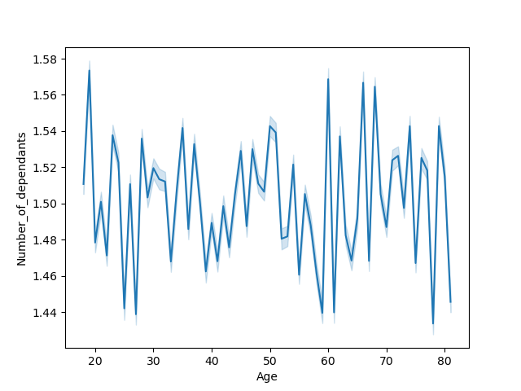
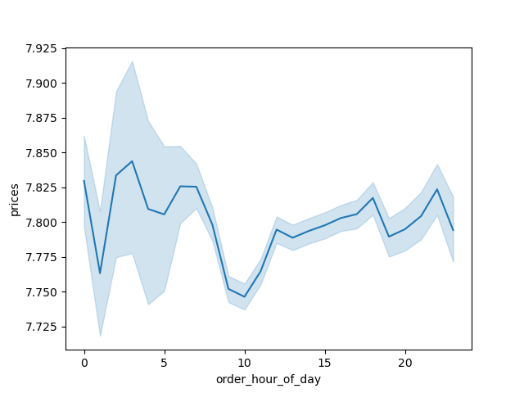
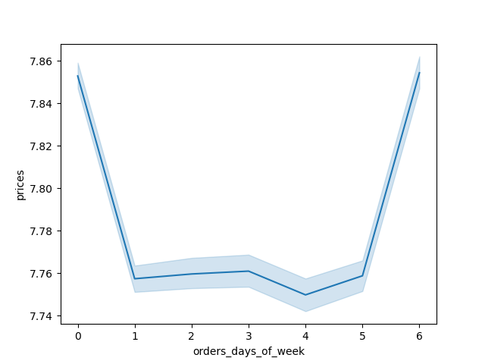

The line chart above shows that the products are on the higher note during the weekends when the people spend more to buy the products, but remain the same during the weekdays.
From the above chart, it is evident that the customers spend more to buy more expensive items from 1AM to 3AM, and the least expensive items are purchased around 10AM.
The line chart shows that there is no correlation between the age and the number of dependants.

Loyalty Distribution
Ordering Habits by Region
Age and Income

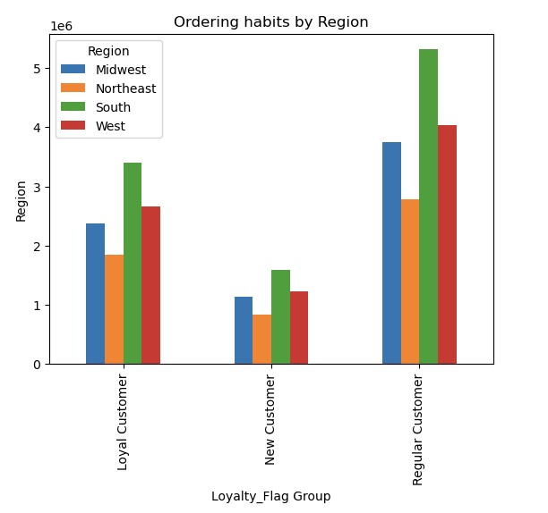
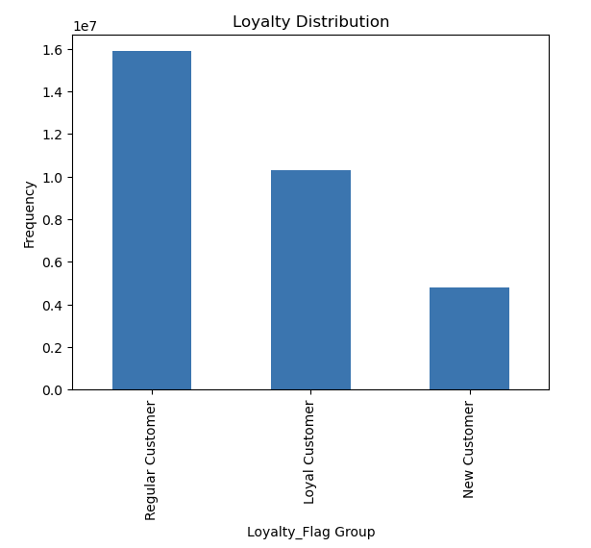

In terms of loyalty, the regular customers seem to be more loyal than the loyal and the new customers, and they are also the ones who would return to Instacart to purchase products often.
When comparing the Region with the loyalty group, South region has the most number of customers and Northeast has the least number of customers.
The scatterplot illustrates that most of the individuals earn in the range of $200000, except for few individuals between age groups 40 and 80, have their income in the ranges $400000 to $600000.

Customers Profile 1
Customers Profile
Customer Profile by Region

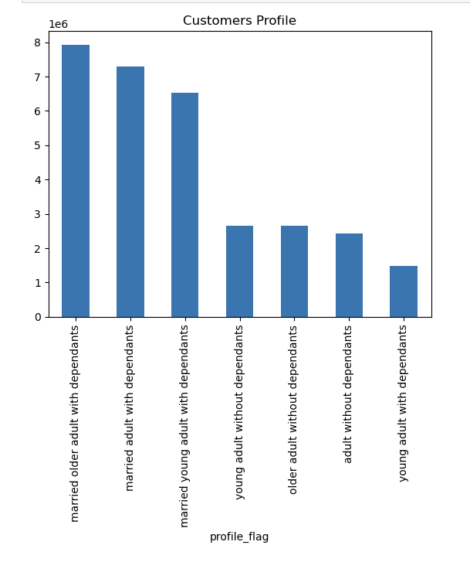
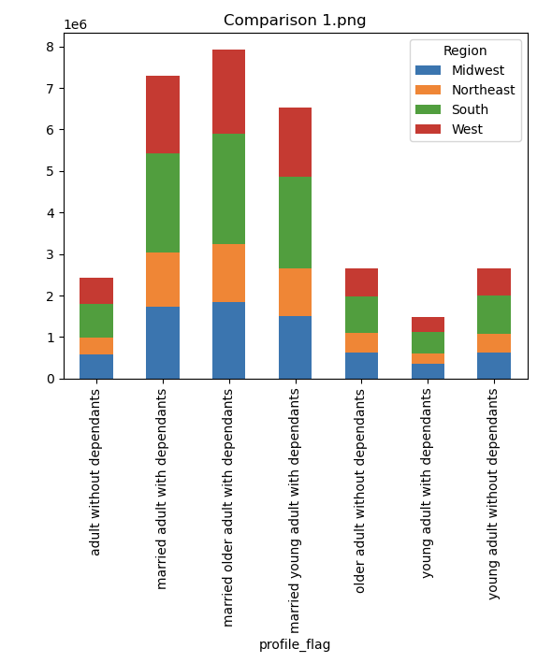
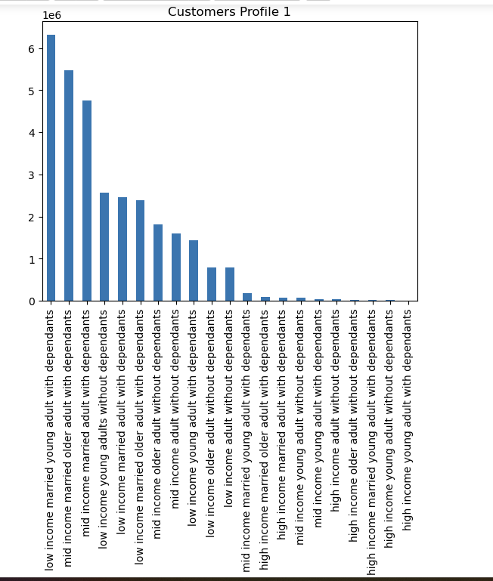

The West region has the highest number of customers, especially the married adults with dependants, followed by the South region.

The above graph shows the distribution of the customer profiles.

Customer Profile 1 by Region
Customer profile by Department
Customer Profile 1 by Department

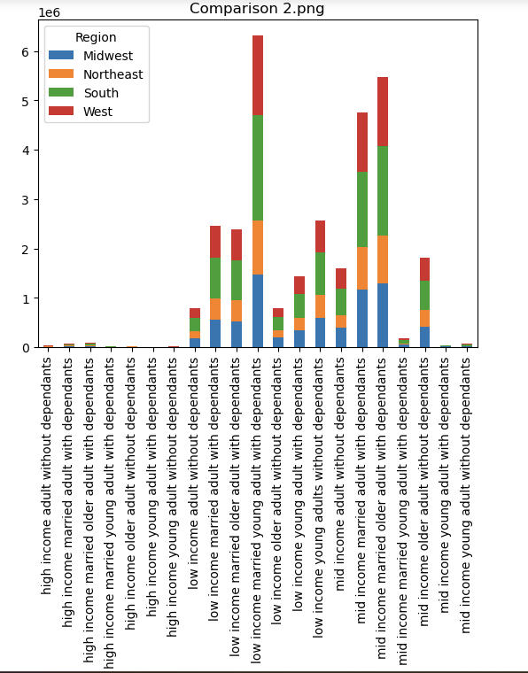
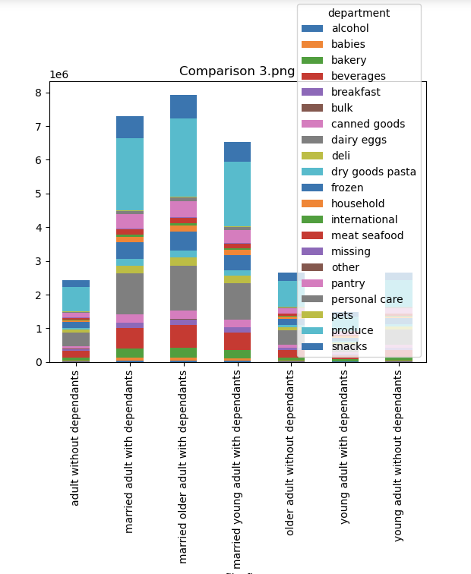
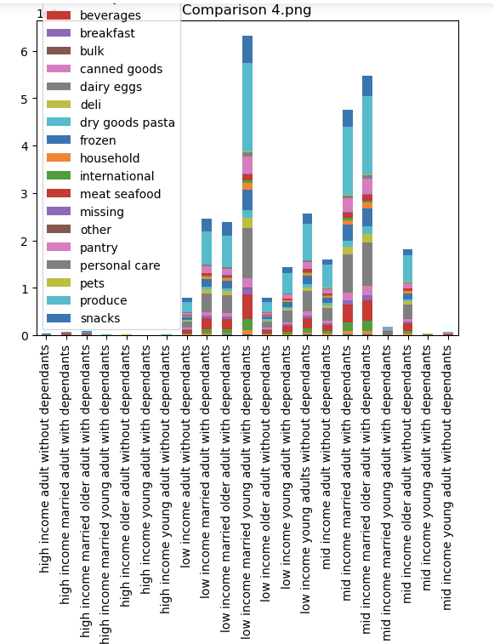

People who come under the lower and middle income category , and those who are married and with dependants from the west region are on top with the most number of customers and orders.
It is evident from the above two illustrations that, when looking into the age group, income group, family status and thze dependants group, the top 3 departments are produce, snacks and dairy eggs which are mostly purchased by the lower and middle income individuals, and those who are married and adults with dependants.

Departments by Age groups, Income groups, Family status and Region

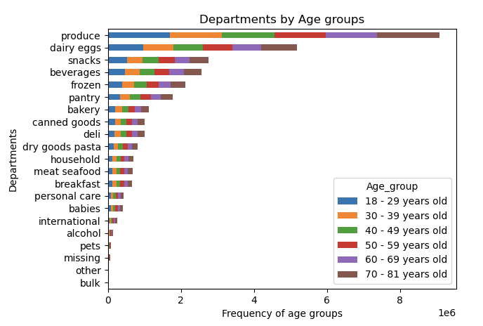
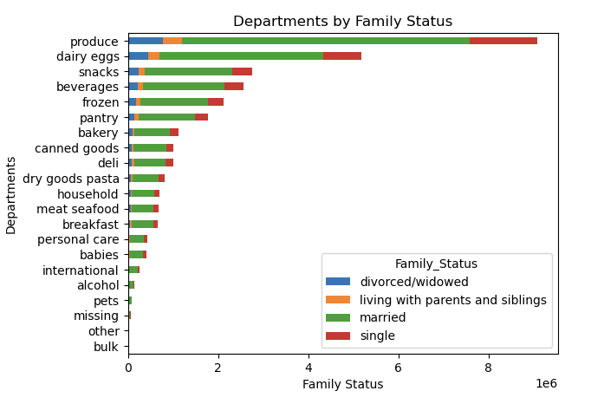
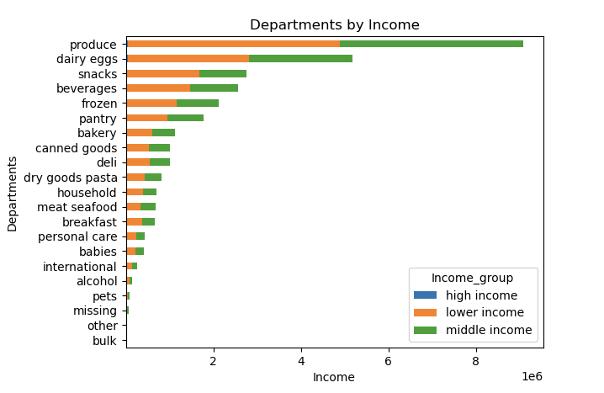

When looking into the age group and the family status charts, it is clear that the single adults have ordered the most from the top departments. And when looking into the chart with income, people who come under the middle and lower income have given more orders.
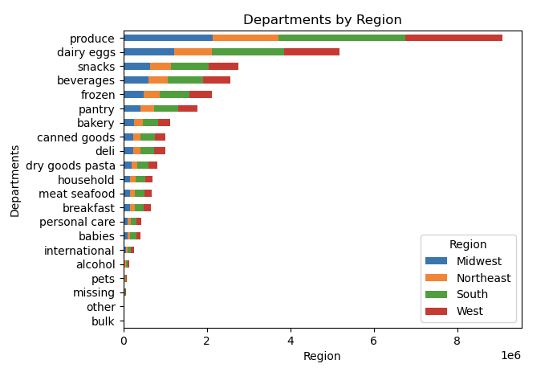
Highest Frequency Departments

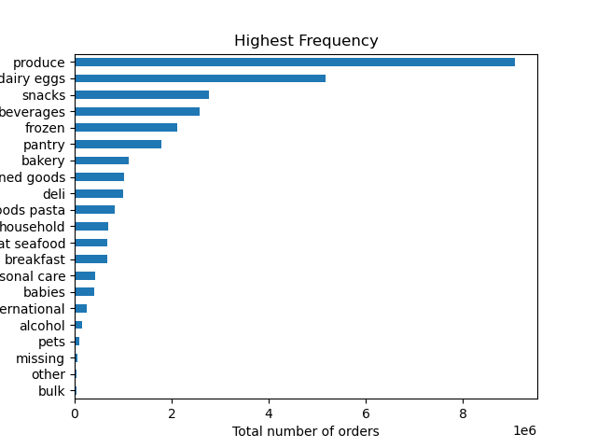

The top 3 departments which are purchased the most are produce, dairy eggs and snacks department.

Customer Profile by Price Range
Customer Profile by Frequency of customers

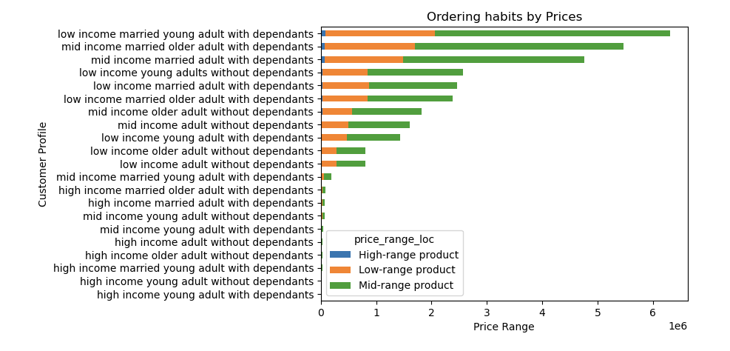
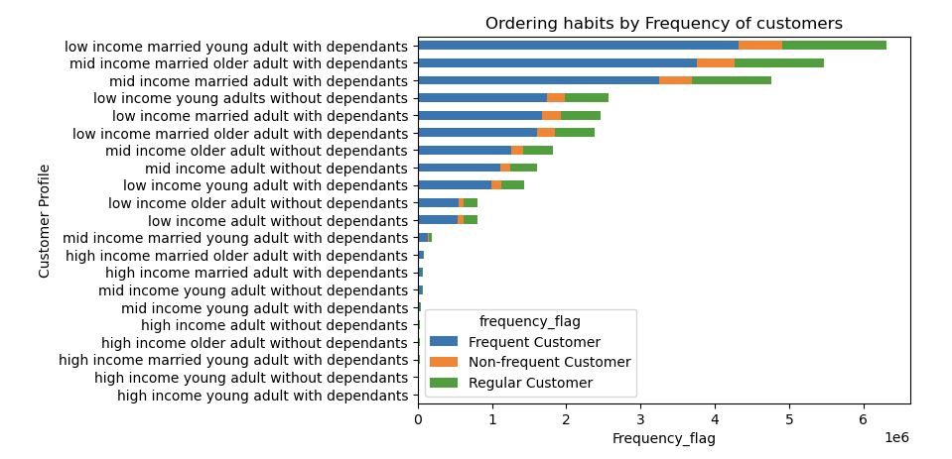

Low and Mid income married adults with dependants prefer ordering the products from the mid-range category.
Low and Mid income married adults with dependants are on top and come under the frequent and regular customers category.

7. Recommendations
Title page

Recommendations

In this tab you should include any recommendations you would made to Instcart in terms of their marketing strategy based on the questions posed in the brief. Every key question has been covered in the Tasks of the Exercises - here you need to add an item - a visualisation or table/crosstable that is showing the answer in the data, acompanied by a comment from you. Please, list the questions below and add the answer underneath.

Question 1: The sales team needs to know what the busiest days of the week and hours of the day are (i.e., the days and times with the most orders) in order to schedule ads at times when there are fewer orders.

Answer: The busiest days of the week for placing orders are the weekends, especially the highest on Saturdays which is then followed by Sunday and Friday. The busiest hours for placing orders is between 9AM and 4PM. If the sales team wants to schedule ads at times when there are fewer orders, I would recommend doing that after the peak hours, which is after 4PM and on weekdays when is considerably less sales happening, which would mainly be on the Wednesdays and Thursdays, followed by Mondays and Tuesdays.

Question 2: They also want to know whether there are particular times of the day when people spend the most money, as this might inform the type of products they advertise at these times.

Answer: The customers spend the most money at around 3AM for buying expensive things and the least money spent is around 10AM for the not so very expensive things. Also, the orders are placed mostly during the weekends. Hence in order to advertise about these products, it would be best if they could do it on the weekends, particularly around 3AM, as it would reach the people the most.

Question 3: Instacart has a lot of products with different price tags. Marketing and sales want to use simpler price range groupings to help direct their efforts.

Answer: Most of the products are priced between $2 and $15, which clearly indicates that customers are most likely to go for the products with affordable prices and not the expensive products.

Question 4: Are there certain types of products that are more popular than others? The marketing and sales teams want to know which departments have the highest frequency of product orders.

The departments with the highest frequency are produce, dairy eggs and snacks, which are more popular than others.

Question 5: What’s the distribution among users in regards to their brand loyalty (i.e., how often do they return to Instacart)?

Answer: In terms of brand loyalty, the customers who often return to Instacart are the Regular customers, when compared with the loyal customers. Hence in order to gain more loyal customers, I would recommend giving more frequent discounts, especially during the festive seasons, as it would make the customers to return back more often, and also it would also be the time when the customers would be in need of more products.

Question 6: Are there differences in ordering habits based on a customer’s region?

Answer : This visualization shows that the South region has the highest number of Regular , loyal and new customers , and West region with the second highest falling under the Regular customers category. The region with the least number of customers among all the three customer groups in terms of ordering habits are from the Northeast region.

Question 7 : The marketing and sales teams are particularly interested in the different types of customers in their system and how their ordering behaviors differ?

From the first visualization, it is evident that the people who come under the age groups 60 - 81 years order the most, particularly from the produce, dairy eggs and snacks department. Similarly, from the second visualization, married adults with dependants order the most in all the departments, with the highest from the produce, dairy eggs and snacks department.

From these two visualization, people who come under the lower and middle income category spend the most in buying the products. And when looking region wise to see which region has spent the most, West is on the top, which is then followed by South, Midwest and Northeast.

Question 8: What differences can you find in ordering habits of different customer profiles? Consider the price of orders, the frequency of orders, the products customers are ordering, and anything else you can think of.

From all the above visualizations, we can be clear that irrespective of the factors such as age group, income , price range, family status, the frequency of customers and region, the most sold products are from the produce, dairy eggs and snacks department. And when looking into the customer profile, married people and adults with dependants with lower and middle income spend the most to buy the products that are affordable, that which falls under the mid - range and low -range of prices. They are also the customers who fall under the frequent and regular customers category. When looking by region, South region has the highest number of customers and Northeast has the least number of customers.

